STEP 3 - IDENTIFY INTERCONNECTI
Ninja Recon Technique - Step 3
Add architecture diagram here

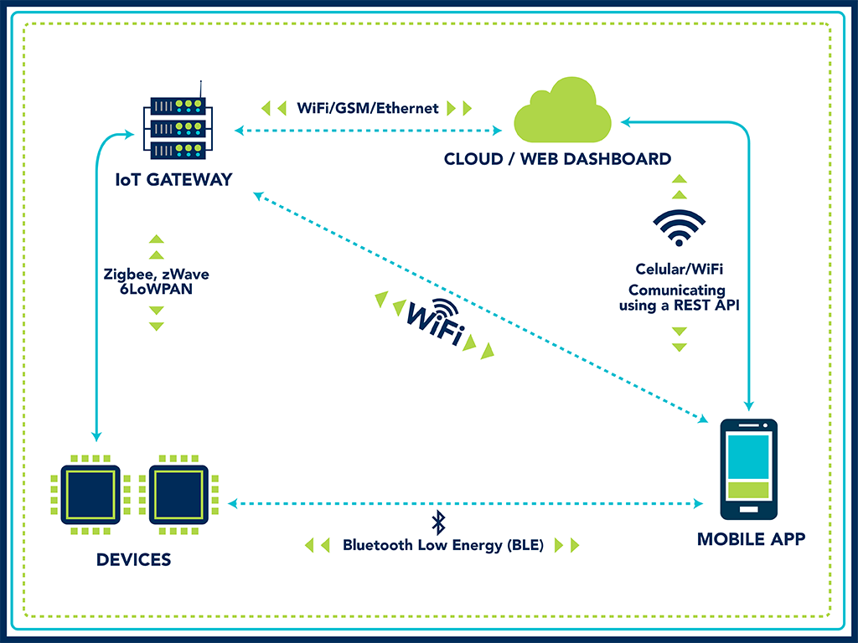

Tools you can use to draw architecture diagrams

Draw.Io online tool | draw.io
Gliffy | https://www.gliffy.com/diagram-software
AWW Boards | https://awwapp.com/
Microsoft Threat Modeling tool | https://blogs.msdn.microsoft.com/secdevblog/2018/09/12/microsoft-threat-modeling-tool-ga-release/
Google Drawings

